Summary
PIONEER SERVICES

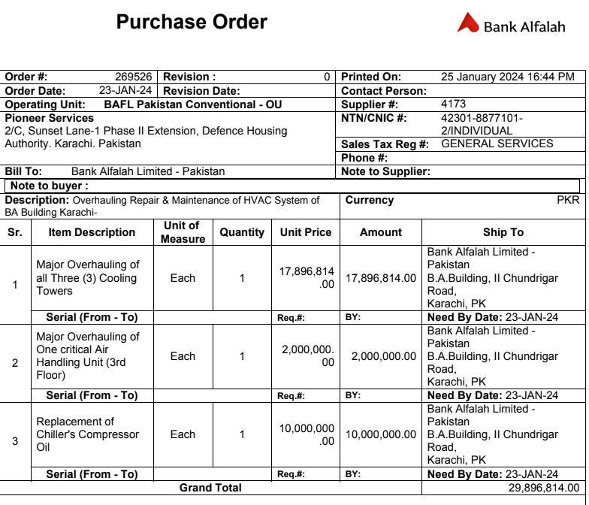
M/S Bank Al-Falah Limited
Head Office I.I Chundriger Road Karachi

Overhauling, Repairing & Replacement |  |  |  | 8-May-24
of Air Handling Units

RUNNING BILL NO 2

S.No | Description | Material Amount | Labour Amount | Total Amount
1 | Major Overhauling of all Three (3) Cooling Towers | 9,111,300 | 647,210 | 9,758,510
2 | Major Overhauling of One critical Air Handling Unit (3rd Floor) | 1,254,000 | 323,000 | 1,577,000
3 | Replacement of Chiller's Compressor Oil | 10,390,000 | 1,790,000 | 12,180,000
 | SubTotal Amount | 20,755,300 | 2,760,210 | 23,515,510
 | Discount 05% | 1,037,765 | 138,011 | 1,175,776
 | Total Amount after Discount | 19,717,535 | 2,622,200 | 22,339,735
 | Received 30% | 7,796,460 | 1,037,685 | 8,834,145
 | Payable Amount Rs | 11,921,075 | 1,584,515 | 13,505,590 | 29,896,814
 | SST 13% | - | 205,987 | 205,987 | 0.45174009177
 | Total After SST | 11,921,075 | 1,790,501 | 13,711,576

 |  |  |  |  |  | 13,711,576
For Pioneer Services

 |  | 953,686 | 143,240

 | Less 5.5% on Material Amount | 655,659
 | Less 5/118% on material amount due to Unregistered | 505,130

 | Less 11% on Labour | 196,955
 | Less 20% on SST | 41,197

 | Total Deductins | 1,398,942

 | Net Payable | 12,312,634

 | Will be Received after this bill | 12,312,634

 |  | NIL

